壓差
充填壓力查詢 |  | Unit: kg/cm2
Lot No | 充填日期 | Pump 1 | Filter 1 | Filter 2 | Pump出口壓力(PG1) | Filter 1出口壓力(PG2) | filter1差壓 | Filter 2出口壓力(PG3) | filter2差壓

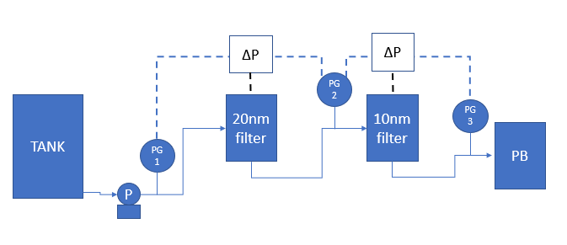

 |  |  |  | 平均值 | #DIV/0! | #DIV/0! | #DIV/0! | #DIV/0! | #DIV/0!

